Drew
 |  |  | Group A |  |  |  |  |  |  | Round of 16 |  |  |  | Quarter |  |  |  | Semi
 | Win +2 | Win | Draw | Win | Win +2 |  |  | Table | Group A |  | Game 49 |  |  |  |  |  |  |  |  |  |  | Name | Andrew
Qatar |  |  |  | X |  | Ecuador | 1 | Winner | Netherlands | Winner GA | Netherlands | Wales | Runner up GB |  |  |  |  |  |  |  |  | GNI Contact
Senegal |  |  |  | X |  | Netrherlands | 1 | Runner-up | Senegal | X The Team to Win | X |  | 1 |  | Game 57 |  |  |  |  |  |  | Phone No
Qatar |  |  |  | X |  | Senegal | 1 | 3rd | Ecuador |  |  |  |  | winner G49 | Netherlands | Argentina | winner G50 |  |  |  |  |  |  | 1
Netrherlands |  | X |  |  |  | Ecuador | 1 | 4th | Qatar |  |  |  |  | X The Team to Win |  | X | 1
Ecuador |  |  |  | X |  | Senegal | 1 |  |  |  | Game 50
Netrherlands | X |  |  |  |  | Qatar | 1 |  |  | Winner GC | Argentina | Denmark | Runner up GD
 |  |  |  |  |  |  | 0 |  | 4 | X The Team to Win | X |  | 1 |  |  |  |  |  | Game 61
 |  |  | Group B |  |  |  |  |  |  |  |  |  |  |  |  |  |  | winner G57 | Argentina | Brazil | winner G58
 | Win +2 | Win | Draw | Win | Win +2 |  |  | Table | Group B |  |  |  |  |  |  |  |  | X The Team to Win | X |  | 1 |  | FINAL
England | X |  |  |  |  | IR Iran | 1 | Winner | England |  | Game 51
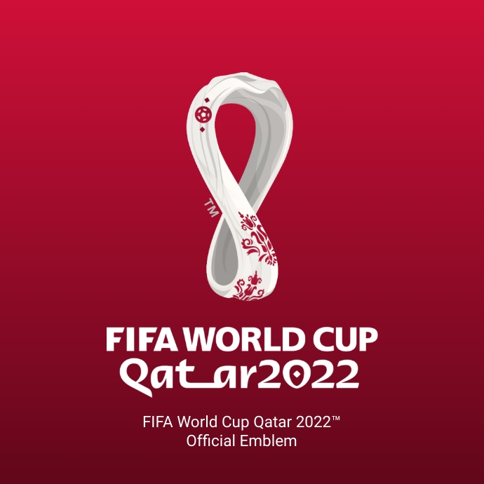
USA |  |  |  | X |  | Wales | 1 | Runner-up | Wales | Winner GB | England | Senegal | Runner up GA
Wales |  | X |  |  |  | IR Iran | 1 | 3rd | USA | X The Team to Win | X |  | 1 |  | Game 58 |  |  |  |  |  |  |  | Game 64
England |  | X |  |  |  | USA | 1 | 4th | IR Iran |  |  |  |  | winner G53 | Germany | Brazil | winner G54 |  |  |  |  | winner G61 | Argentina | France | winner G62
Wales |  |  |  | X |  | England | 1 |  |  |  |  |  |  | X The Team to Win |  | X | 1 |  |  |  |  | X The Team to Win | X |  | 1
IR Iran |  |  |  | X |  | USA | 1 |  |  |  | Game 52
 |  |  |  |  |  |  | 0 |  | 4 | Winner GD | France | Mexico | Runner up GC
 |  |  | Group C |  |  |  |  |  |  | X The Team to Win | X |  | 1 |  |  |  |  |  |  |  |  |  | WORLD CUP WINNER | Argentina
 | Win +2 | Win | Draw | Win | Win +2 |  |  | Table | Group C
Argentina | X |  |  |  |  | Saudi Arabia | 1 | Winner | Argentina
Mexico |  | X |  |  |  | Poland | 1 | Runner-up | Mexico |  | Game 53 |  |  |  |  |  |  |  |  |  |  |  | 3rd and 4th Playoff
Poland | X |  |  |  |  | Saudi Arabia | 1 | 3rd | Poland | Winner GE | Germany | Crotia | Runner up GF
Argentina |  | X |  |  |  | Mexico | 1 | 4th | Saudi Arabia | X The Team to Win | X |  | 1 |  | Game 59 |  |  |  |  |  |  |  | Game 63
Poland |  |  |  | X |  | Argentina | 1 |  |  |  |  |  |  | winner G51 | England | France | winner G52 |  |  |  |  | Loser G61 | Brazil | Belgium | Loser G 62
Saudi Arabia |  |  |  | X |  | Mexico | 1 |  |  |  |  |  |  | X The Team to Win |  | X | 1 |  |  |  |  | X The Team to Win | X |  | 1
 |  |  |  |  |  |  | 0 |  | 4 |  | Game 54
 |  |  | Group D |  |  |  |  |  |  | Winner GG | Brazil | Portugal | Runner up GH
 | Win +2 | Win | Draw | Win | Win +2 |  |  | Table | Group D | X The Team to Win | X |  | 1 |  |  |  |  |  | Game 62
Denmark | X |  |  |  |  | Tunsia | 1 | Winner | France |  |  |  |  |  |  |  |  | winner G59 | France | Belgium | winner G60
France | X |  |  |  |  | Australia | 1 | Runner-up | Denmark |  |  |  |  |  |  |  |  | X The Team to Win | X |  | 1
Tunisia |  |  | X |  |  | Australia | 1 | 3rd | Australia |  | Game 55
France |  | X |  |  |  | Denmark | 1 | 4th | Tunisia | Winner GF | Belgium | Spain | Runner up GE
Australia |  |  |  | X |  | Denmark | 1 |  |  | X The Team to Win | X |  | 1 |  | Game 60
Tunisia |  |  |  |  | X | France | 1 |  |  |  |  |  |  | winner G55 | Belgium | Uruguay | winner G56
 |  |  |  |  |  |  | 0 |  | 4 |  |  |  |  | X The Team to Win | X |  | 1
 |  |  | Group E |  |  |  |  |  |  |  | Game 56 |  |  |  |  |  |  |  |  |  |  |  | Stephen Kinane
 | Win +2 | Win | Draw | Win | Win +2 |  |  | Table | Group E | Winner GH | Uruguay | Cameroon | Runner up GG |  |  |  |  |  |  |  |  |  | In Memory of
Germany |  | X |  |  |  | Japan | 1 | Winner | Germany | X The Team to Win | X |  | 1
Spain | X |  |  |  |  | Costa Rica | 1 | Runner-up | Spain
Japan |  |  | X |  |  | Costa Rica | 1 | 3rd | Japan
Spain |  |  | X |  |  | Germany | 1 | 4th | Cost Rica
Japan |  |  |  | X |  | Spain | 1 |  |  | Instructions |  |  |  |  |  |  |  |  |  | Scoring
Costa Rica |  |  |  |  | X | Germany | 1 |  |  | 1 | Group Stage | Place an X next to the result you predict will happen
 |  |  |  |  |  |  | 0 |  | 4 |  |  | If you think a team will win by 2 or more goals place the X in the Win +2 box |  |  |  |  |  |  |  | Group round
 |  |  | Group F |  |  |  |  |  |  |  |  | Only place an X ONCE per Row. DO NOT pick a second box. |  |  |  |  |  |  |  | 1 | Point awarded for Correctly selecting the Result in the Group stage
 | Win +2 | Win | Draw | Win | Win +2 |  |  | Table | Group F |  |  |  |  |  |  |  |  |  |  | 1 | Bonus point awarded if correctly predicting that a team wins by 2 Goals or more
Morocco |  |  |  |  | X | Crotia | 1 | Winner | Belgium |  | Example | If you think Qatar/Equador will be a draw and Netherlands will beat Sengal by 2 or more goals |  |  |  |  |  |  |  | 1 | Point DEDUCTED for Incorrectly predicting a team wins by 2 Goals or more
Belgium | X |  |  |  |  | Canada | 1 | Runner-up | Crotia |  |  | Place your X as Shown Below |  |  |  |  |  |  |  | 1 | Point awarded for predicting the finishing Position of teams in Group table
Belgium | X |  |  |  |  | Morocco | 1 | 3rd | Canada |  |  |  |  |  | Group A |  |  |  |  | Round of 16
Crotia | X |  |  |  |  | Canada | 1 | 4th | Morocco |  |  |  | Win +2 | Win | Draw | Win | Win +2 |  |  | 1 | Point awarded for having the correct team in the correct place in the Round
Crotia |  |  |  | X |  | Belgium | 1 |  |  |  |  | Qatar |  |  | X |  |  | Ecuador |  | 1 | Point awarded for having the correct team in the Round irrespective of Position
Canada |  |  | X |  |  | Morocco | 1 |  |  |  |  | Senegal |  |  |  |  | X | Netherlands |  | 2 | Points awarded for picking the correct Game Winner irrespective of the Team
 |  |  |  |  |  |  | 0 |  | 4 |  |  |  |  |  |  |  |  |  |  | Quarter
 |  |  | Group G |  |  |  |  |  |  | 2 | Group Tables |  |  |  |  |  |  |  |  | 2 | Points awarded for having the correct team in the correct place in the Round
 | Win +2 | Win | Draw | Win | Win +2 |  |  | Table | Group G |  |  | Select a Country from the Drop down list and place in the order that you think teams will finish. |  |  |  |  |  |  |  | 2 | Points awarded for having the correct team in the Round irrespective of Position
Switzerland |  |  | X |  |  | Cameroon | 1 | Winner | Brazil |  |  | Table | Group A |  |  |  |  |  |  | 4 | Points awarded for picking the correct Game Winner irrespective of the Team
Brazil |  | X |  |  |  | Serbia | 1 | Runner-up | Cameroon |  | Example | Winner | Netherlands |  |  |  |  |  |  | Semi
Cameroon |  | X |  |  |  | Serbia | 1 | 3rd | Serbia |  |  | Runner-up | Ecuador |  |  |  |  |  |  | 4 | Points awarded for having the correct team in the correct place in the Round
Brazil |  | X |  |  |  | Switzgerald | 1 | 4th | Switzerland |  |  | 3rd | Senegal |  |  |  |  |  |  | 4 | Points awarded for having the correct team in the Round irrespective of Position
Serbia |  |  | X |  |  | Switzerland | 1 |  |  |  |  | 4th | Qatar |  |  |  |  |  |  | 8 | Points awarded for picking the correct Game Winner irrespective of the Team
Cameroon |  |  |  | X |  | Brazil | 1 |  |  |  |  |  |  |  |  |  |  |  |  | Playoff
 |  |  |  |  |  |  | 0 |  | 4 |  |  | Filling in the Top Two will automatically transfer the Teams into the round of 16. |  |  |  |  |  |  |  | 4 | Points awarded for having the correct team in the correct place in the Round
 |  |  | Group H |  |  |  |  |  |  |  |  |  |  |  |  |  |  |  |  | 4 | Points awarded for having the correct team in the Round irrespective of Position
 | Win +2 | Win | Draw | Win | Win +2 |  |  | Table | Group H | 3 | Round of 16 thru to the Final |  |  |  |  |  |  |  |  | 8 | Points awarded for picking the correct Game Winner irrespective of the Team
Uruguay |  | X |  |  |  | Korea Republic | 1 | Winner | Uruguay |  |  | Placing an X below the Team you think will WIN the round automatically moves the team into the next round. |  |  |  |  |  |  |  | Final
Portugal |  | X |  |  |  | Ghana | 1 | Runner-up | Portugal |  |  |  |  |  |  |  |  |  |  | 8 | Points awarded for having the correct team in the correct place in the Round
Korea Republic |  |  | X |  |  | Ghana | 1 | 3rd | Ghana | 4 | DO NOT EDIT ANY OTHER CELLS than those coloured ORANGE. To do so would mess up the Scoring and result in an INVALID Entry. |  |  |  |  |  |  |  |  | 8 | Points awarded for having the correct team in the Round irrespective of Position
Portugal |  |  | X |  |  | Uruguay | 1 | 4th | Korea Republic |  |  |  |  |  |  |  |  |  |  | 16 | Points awarded for picking the correct Winner irrespective of the Team
Ghana |  |  |  | X |  | Uruguay | 1 |  |  | 5 | The Organiser reserves the Last word on any Conflicts or Disputes the may arise in the running of this competition |  |  |  |  |  |  |  |  | Bonus
Korea Republic |  |  |  | X |  | Portugal | 1 |  |  |  |  |  |  |  |  |  |  |  |  | 16 | Correct World Cup Winner
 |  |  |  |  |  |  | 0 |  |  |  |  |  | ENSURE ALL ENTRY CELLS ARE GREEN BEFORE SAVING AND SUBMITTING
 |  |  |  |  |  |  |  |  | 4

